Dataset
Product ID | Manufacturing Date | Country code | Product brand | Product Name | Brand Name | Price ($) | Quantity | Category | 1. Handling Missing Values:
28-JAN-US | 28/01/2026 | US | Dell Laptop | Laptop | Dell | ₹ 1,000.00 | 30 | Electronics | Check for missing values in the 'Price' column. How would you handle products with missing price information?
15-FEB-US | 15/02/2026 | US | Nike Sneakers | Sneakers | Nike | ₹ 80.00 | 15 | Fashion
03-MAR-US | 03/03/2026 | US | Keurig Coffee Maker | Coffee Maker | Keurig | ₹ 130.00 | 40 | Kitchen | IF(ISBLANK(D2),AVERAGE($D$2:$D$35),D2)
11-APR-US | 11/04/2026 | US | Samsung Smartphone | Smartphone | Samsung | ₹ 900.00 | 25 | Electronics
22-MAY-US | 22/05/2026 | US | North Face Backpack | Backpack | North Face | ₹ 70.00 | 20 | Unknown | If there are products with missing categories, propose a strategy to impute or deal with these missing values effectively.
07-JUN-UK | 07/06/2026 | UK | Sony Headphones | Headphones | Sony | ₹ 309.35 | 45 | Electronics
19-JUL-UK | 19/07/2026 | UK | Adidas T-Shirt | T-Shirt | Adidas | ₹ 30.00 | 5 | Fashion | IF(ISBLANK(F2),"Unknown",F2)
23-AUG-UK | 23/08/2026 | UK | Ninja Blender | Blender | Ninja | ₹ 90.00 | 35 | Kitchen
05-SEP-UK | 05/09/2026 | UK | Apple Tablet | Tablet | Apple | ₹ 500.00 | 50 | Electronics | 2. Correcting Inconsistent Data:
14-OCT-UK | 14/10/2026 | UK | Timberland Hiking Boots | Hiking Boots | Timberland | ₹ 130.00 | 10 | Outdoor | Identify any inconsistent text formats present in the "Product Name" column.
17-JUN-IN | 17/06/2026 | IN | HP Laptop | Laptop | HP | ₹ 950.00 | 25 | Electronics
25-NOV-AU | 25/11/2026 | AU | Adidas Sneakers | Sneakers | Adidas | ₹ 90.00 | 40 | Unknown | PROPER(TRIM(CLEAN([@[Product Name]])))
08-DEC-DE | 08/12/2026 | DE | Nespresso Coffee Maker | Coffee Maker | Nespresso | ₹ 120.00 | 35 | Unknown
18-FEB-CA | 18/02/2026 | CA | Fitbit Smartwatch | Smartwatch | Fitbit | ₹ 150.00 | 15 | Electronics | Identify any typos present in the "Category" column.
16-APR-ES | 16/04/2026 | ES | Bose Headphones | Headphones | Bose | ₹ 250.00 | 20 | Electronics | Use the find and replace function to standardize the text formats in the "Product
21-AUG-CA | 21/08/2026 | CA | Samsonite Laptop Bag | Laptop Bag | Samsonite | ₹ 50.00 | 35 | Accessories | Name" column and fix any typos or misspellings in the "Category" column.
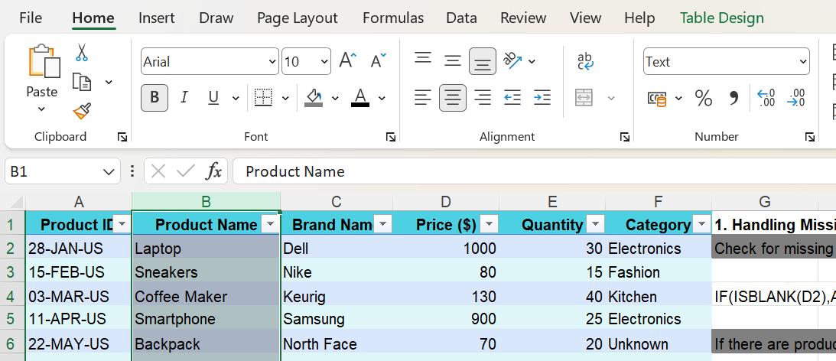
20-AUG-CN | 20/08/2026 | CN | Huawei Smartwatch | Smartwatch | Huawei | ₹ 160.00 | 15 | Electronics
27-JAN-IT | 27/01/2026 | IT | Asus Laptop | Laptop | Asus | ₹ 980.00 | 10 | Electronics
01-MAR-UK | 01/03/2026 | UK | Oakley Sunglasses | Sunglasses | Oakley | ₹ 150.00 | 15 | Fashion
14-AUG-US | 14/08/2026 | US | Coleman Camping Tent | Camping Tent | Coleman | ₹ 309.35 | 10 | Outdoor
14-MAY-RU | 14/05/2026 | RU | Nikon Camera | Camera | Nikon | ₹ 700.00 | 50 | Electronics
09-JAN-CA | 09/01/2026 | CA | Panasonic Microwave | Microwave | Panasonic | ₹ 80.00 | 20 | Kitchen
19-JUL-BR | 19/07/2026 | BR | Xiaomi Fitness Tracker | Fitness Tracker | Xiaomi | ₹ 150.00 | 30 | Unknown
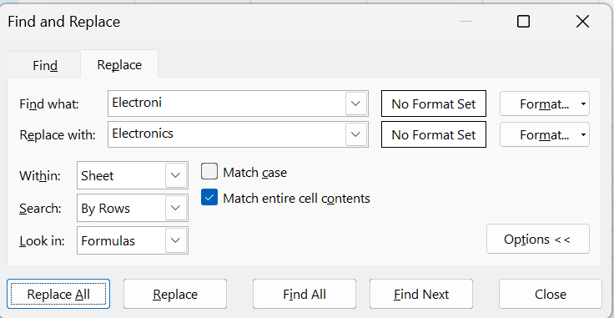
29-SEP-CA | 29/09/2026 | CA | Google Smartphone | Smartphone | Google | ₹ 800.00 | 45 | Electronics
03-JUN-CA | 03/06/2026 | CA | Ray-Ban Sunglasses | Sunglasses | Ray-Ban | ₹ 309.35 | 25 | Fashion
11-JUL-CA | 11/07/2026 | CA | Vitamix Blender | Blender | Vitamix | ₹ 400.00 | 40 | Kitchen
07-MAR-CA | 07/03/2026 | CA | Zara Dress | Dress | Zara | ₹ 60.00 | 30 | Fashion
13-APR-CA | 13/04/2026 | CA | Hamilton Toaster | Toaster | Hamilton | ₹ 40.00 | 10 | Kitchen
24-MAY-CA | 24/05/2026 | CA | Garmin Fitness Tracker | Fitness Tracker | Garmin | ₹ 130.00 | 5 | Electronics
02-DEC-CA | 02/12/2026 | CA | Levi's Jeans | Jeans | Levi's | ₹ 50.00 | 50 | Fashion
09-JUL-FR | 09/07/2026 | FR | Casio Watch | Watch | Casio | ₹ 100.00 | 20 | Accessories

 |  |  |  |  |  |  | 3. Removing Duplicates:
 | 5. Number Formatting:
 |  |  |  |  |  |  | Identify any duplicate rows within the dataset based on the entirety of each row, and
 | Format the data type of the "Price" column to a currency format. |  |  |  |  |  | remove them if any.

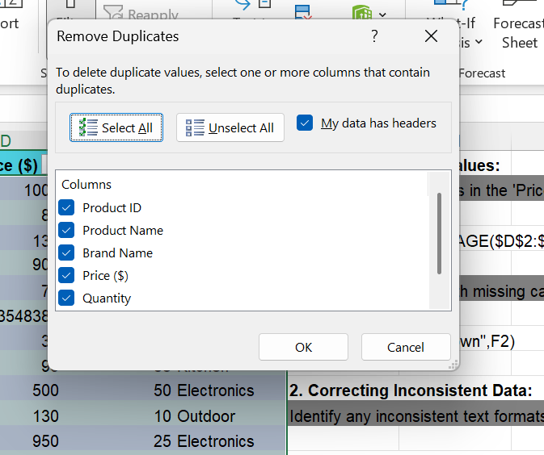
 | currency

 | Format the "Manufacturing Date" column to display dates in the "DD-MM-YYYY "
 | format.

 | Custom date dd-mm-yyyy

 | 6. Conditional Formatting:
 | Apply data bar or color scales conditional formatting in the "Price" column. ● Create a
 | custom rule for conditional formatting in the "Category" column to highlight cells where
 | the category is "Electronics."

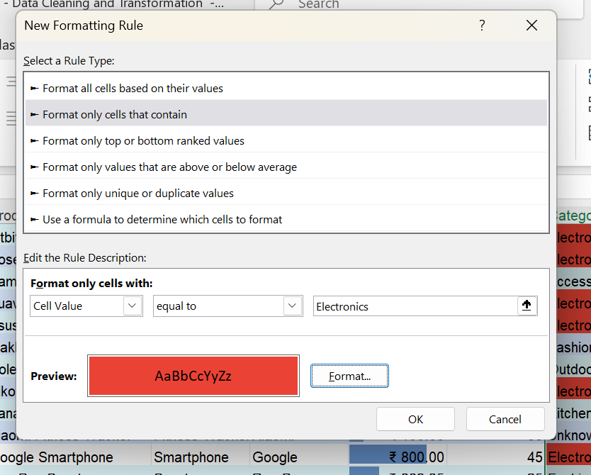
 |  |  |  |  |  |  | 4. Splitting and Merging Data:

 |  |  |  |  |  |  | Split the "Product ID" column into two separate columns for " Manufacturing Date"
 |  |  |  |  |  |  | and "Country Code". Remove unnecessary characters, if any.

 |  |  |  |  |  |  | Manufacturing = LEFT([@[Product ID]],2)
 |  |  |  |  |  |  | country code = RIGHT([@[Product ID]],2)

 |  |  |  |  |  |  | Merge the "Brand Name" and "Product Name" columns into one column named
 |  |  |  |  |  |  | Product Brand.

 |  |  |  |  |  |  | CONCAT([@[Brand Name]]," ",[@[Product Name]])

